Project Plan
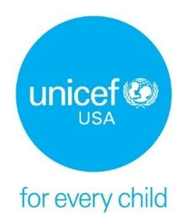 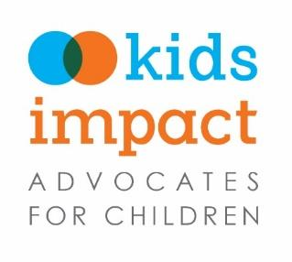 Child Impact Statement Project Plan
This template project plan is here to help you map out what needs to get done, who's doing what, and when things should happen. Some tasks are suggested based on activities from the Toolkit, but you should edit and add new ones so that they fit your team and your timeline. Think of this planner as a living document--come back to it often! As your project grows and changes, you can add new tasks, shift responsibilities, or update deadlines to stay on track. The goal is to make managing your project easier and keep your team organized, on time, and moving forward together.

Step One: Get To Know Child Impact Statements |  |  |  |  | Status
Action Items | Due Date | Person/People Responsible for Task | Status | Notes: Details, Comments, Questions | To-Do
Familiarize yourself with the Toolkit. Review the introduction and instructions on how to use the Toolkit. |  | Full Team
Read Step One of the Toolkit |  | Full Team |  |  | In Progress
Review examples of completed impact statements |  | Full Team |  |  | Done
Complete the practice exercise in the Toolkit as a team |  | Full Team
Step Two: Develop a Project Plan
Read Step Two of the Toolkit |  | Full Team
Customize this project plan based on your club's goals and schedule
Create a clear project timeline with meeting dates and deadlines
Review Step Two checklist
Step Three: Identify a Topic
Read Step Three of the Toolkit |  | Full Team
Review example topics for child impact statements
Research potential topics for your child impact statement
Choose a topic
Complete the topic selection form found in the Toolkit
Review Step Three checklist
Step Four: Research Your Topic
Read Step Four of the Toolkit |  | Full Team
Review child impact statement questions
Research and review literature, web content, and other resources relevant to your topic
Identify at least 3 strong sources of evidence
Gather all of your citations
Identify your decision maker
Summarize your research findings
Review Step Four checklist
Step Five: Answer the Child Impact Statement Questions
Read Step Five of the Toolkit |  | Full Team
Review the instructions document linked in the Toolkit |  | Full Team
Use your topic selection document to fill out the overview section
Answer Question 1
Answer Question 2
Answer Question 3
Answer Question 4
Answer Question 5
Answer Question 6
Answer Question 7
Answer Question 7
Step Six: Finalize Your Impact Statement
Read Step Six of the Toolkit |  | Full Team
Review all your questions and answers and check for gaps
Ensure that your recommendations are clear and actionable
Edit, edit, and edit your impact statement
Review Step Six checklist
Step Seven: Create a Final Presentation
Read Step Seven of the Toolkit |  | Full Team
Customize the final presentation template in the toolkit or create your own!
Step Eight (Optional): Create an Advocacy Plan
Read Step Eight of the Toolkit |  | Full Team
Develop your advocacy plan |  | Full Team
Wrap Up: Share Your Thoughts
Upload your impact statement and final presentation using the QR code in the Toolkit
Complete the survey using the QR code in the Toolkit
Show off your work and share this project with others!
Present your findings to a decision maker

